Chart
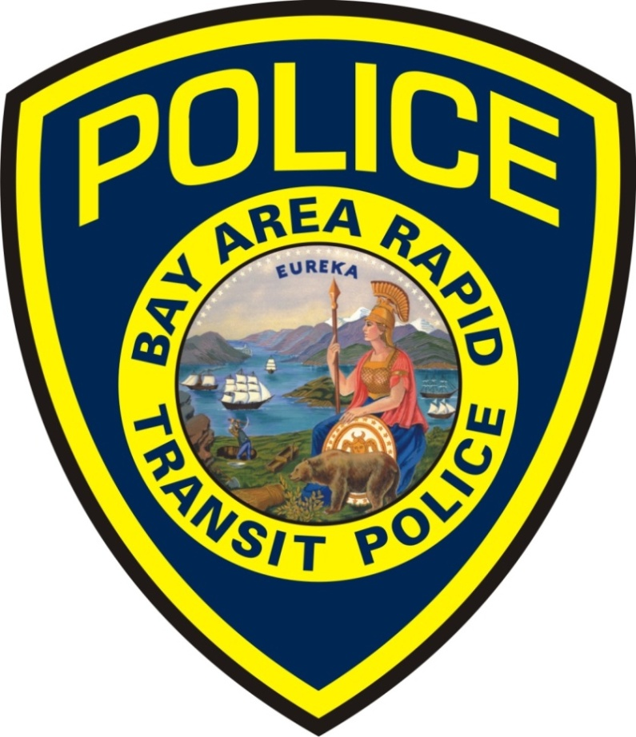
BART Police Performance Measurements

 | Alameda County Crime Statistics

2018-08-01

Disclaimer--**The data is drawn from the BART Police Department TriTech computer database, and they are unaudited. The numbers may not match the official monthly totals reported to the FBI through the Uniform Crime Reporting (UCR) program. Late reporting, the reclassification or unfounding of crimes, can affect crime statistics. The statistics contained in the on the Performance Measurements are subject to change , updates, and corrections. **

Electronic Item Thefts
 | Theft By Snatching | Theft By Force or Fear
Jan | 27 | 5
Feb | 13 | 3
Mar | 12 | 8
Apr | 13 | 7
May | 16 | 8
Jun | 13 | 14
Jul | 27 | 12
Aug | 27 | 10
Sep
Oct
Nov
Dec
TOTAL AUTO CRIMES
 | Auto Burglary | Catalytic Converter | Tire and Rim Theft
Jan | 38 | 7 | 0
Feb | 25 | 5 | 0
Mar | 47 | 10 | 0
Apr | 64 | 7 | 0
May | 40 | 8 | 0
Jun | 26 | 6 | 0
Jul | 27 | 3 | 0
Aug | 30 | 1 | 0
Sep
Oct
Nov
Dec
Total Bike Thefts
 | Total Bike Thefts
Jan | 13
Feb | 20
Mar | 16
Apr | 10
May | 31
Jun | 24
Jul | 38
Aug | 16
Sep
Oct
Nov
Dec
Total Assault/ Battery on BART
 | Total Assault/ Battery on BART
Jan | 15
Feb | 24
Mar | 17
Apr | 30
May | 29
Jun | 21
Jul | 25
Aug | 20
Sep
Oct
Nov
Dec

Arrests & Citations
 | Arrest by Citation | Misdemeanor | Felony
Jan | 256 | 43 | 29
Feb | 259 | 61 | 18
Mar | 199 | 50 | 24
Apr | 104 | 48 | 22
May | 180 | 60 | 19
Jun | 159 | 69 | 12
Jul | 124 | 47 | 28
Aug | 112 | 72 | 25
Sep
Oct
Nov
Dec
Total Parking Citations
 | Total Parking Citations
Jan | 4660
Feb | 3316
Mar | 4071
Apr | 3697
May | 4769
Jun | 3954
Jul | 4292
Aug | 4780
Sep
Oct
Nov
Dec
Total Calls To ISRC (Dispatch)
 | Tri Tech Events
Jan | 1725
Feb | 1527
Mar | 1814
Apr | 1582
May | 1628
Jun | 1908
Jul | 1835
Aug | 2046
Sep
Oct
Nov
Dec
Fare Evasion- CAD Data
 | Fare Evasion CAD Data
Jan | 227
Feb | 214
Mar | 152
Apr | 78
May | 144
Jun | 124
Jul | 78
Aug | 91
Sep
Oct
Nov
Dec

Chart 2
Top 5 Stations For Part 1 Crimes
Most Frequent 2017 Most Frequent all of 2016
This Month 2016 YEAR
Coliseum Coliseum
Dublin Fruitvale
Del Norte Bay Fair
Fruitvale Concord
Hayward East Dublin
This list was obtained by adding the highest totals listed
in the Part 1 crimes data.

A30/COS - Coliseum Station
L30/EDS - Dublin/Pleasanton
R50/CNS - El Cerrito Del Norte Station
A20/FVS - Fruitvale Station
A60/HAS - Hayward Station

Disclaimer--**The data is drawn from the BART Police Department TriTech computer database, and they are unaudited. The numbers may not match the official monthly totals reported to the FBI through the Uniform Crime Reporting (UCR) program. Late reporting, the reclassification or unfounding of crimes, can affect crime statistics. The statistics contained in the on the Performance Measurements are subject to change , updates, and corrections. **

Crime rate per 1,000 inhabitants based on average weekday ridership= 0.695
Crime based on (PART 1 Crimes- Homicide, Rape, Robbery, Aggravated Assault, Arson, Theft, Auto Burglary). Total= 292
Ridership was based on Webbart average weekday ridership of 419,497.
Ridership number does not include the hundreds of BART employees that BART PD assists.
BART PD covers over 47,000 parking stalls not including all the park and rides and other BART property such as the shops, various yards and power substation locations around the Bay Area.

Sheet4
Top 5 Stations For Part 1 Crimes (Year Totals)
2013 2012
Coliseum Coliseum
San Leandro Pittsburg / Bay Point
Fruitvale Fruitvale
Hayward Bay Fair
Pittsburg / Bay Point MacArthur
This list was obtained by adding the highest totals listed
in the Part 1 crimes data.

